Cover Page
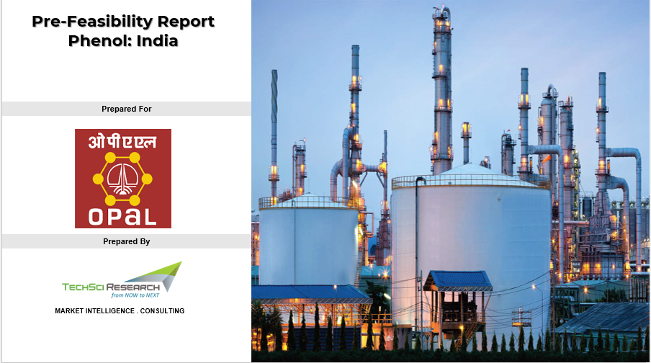

Dashboard
Capacity for 350 KTPA PVC Resin and 200 KTPA Phenol + 123 KTPA Acetone (Ethane Furnace Addition)
8,592 INR Cr
19,091 INR Cr
15.8%
4 Yrs
Payback (Yrs)
Total Capacity
Total Investment
NPV
IRR
5
1

Financials
 | Operating Revenue | Total Operating Cost | Gross Margin (EBITDA/PBITDA) | Net Cash Flow
INR Cr | 5166 | 3053 | 2113 | 2113
 | INR Cr
Total Variable Cost | 3157
Total Fixed Cost | 168
 | Scenario 5
Raw materials |  | Qty in Tonne |  | Price (INR/Tonne) | Select Financial Year | 2028 | Operating Cost
Propylene |  | 91,750 |  | 47,244
Benzene |  | 164,000 |  | 49,804

Ethylene |  | 161,200 |  | 37,680
Chlorine |  | 206,500 |  | 5,900
Oxygen |  | 49,000 |  | 5,550

Capex
 | INR Crore
CAPEX PVC OPTION 1 | 4159
CAPEX PHENOL OPTION 1 | 1769
ETHANE FURNACE ADDITION | 2664
Opex
 | MANUFACTURING COST | Raw materials | Catalyst & Chemicals | Labour | Variable Overheads | Fixed Overheads | Selling Overheads | Total Operating Cost
INR Cr | 3145 | 2439 | 150 | 59 | 389 | 109 | 179 | 3324
Net Margin Change for Existing Co-Products |  |  |  |  | Total Capital Investment |  | Operating Cost
Particulars |  |  | Propane Furnace Addition | Ethane Furnace Addition
PVC and Phenol Projects both included
Net Revenue Change INR Cr |  |  | 5728 | 4577

If OPaL does not go for PVC
Net Revenue Change INR Cr |  |  | 4321 | 3170

If OPaL does not go for Phenol
Net Revenue Change INR Cr |  |  | 4173 | 3022

If OPaL doesn't go for both PVC & Phenol Projects
Net Revenue Change INR Cr |  |  | 2766 | 1614

